Table 4
w3
_§ -
...J
a
>
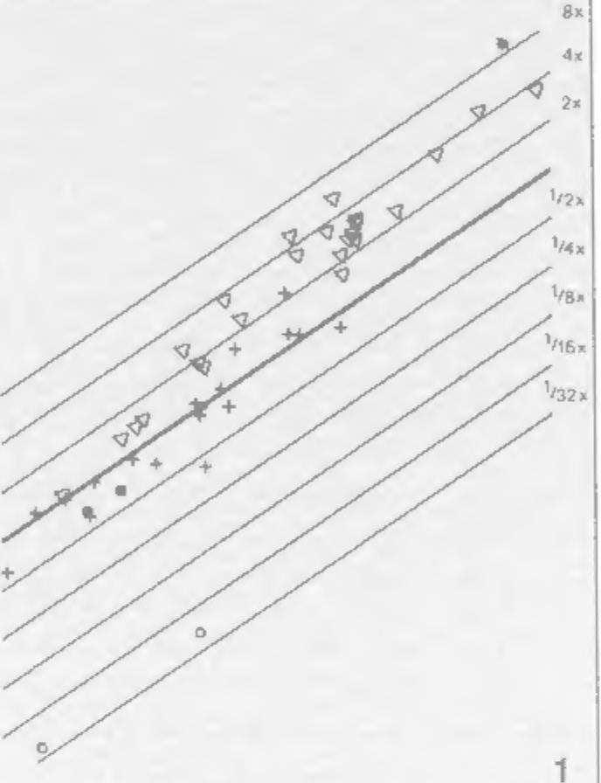 (z)) �2 ...J ,ecx_J:: z � ml: 0 | 2 3 4 log BOO'!' I/EIGHT | area measured in mm1; D: distance of measured sec- tions in mm; M2: square of linear magnification). More details on (1) the methods of brain prepara-tion and fixation and (2) the conversion of serial sec-tion volumes into fresh volumes are given by Stephan et al. I1981), where the fresh volumes of medulla oblongata, cerebellum (including ventral pons), mes-cncephalon, and neocortex are also presented. Those data were used in this study to calculate percentage relations, size indices and correlation coefficients. For the size comparisons, three methods were used: (I) direct comparison of VPo with other struc-tures by ratios or, when VPo was included in the ref-erence system, by percentages; (2) interstructural re-gression line analyses between VPo and other struc-tures in double logarithmic plots; and (3) size indices, which evaluate the size differences of the VPo in iso-pondcrous species. In the third method, the VPo vol-umes are plotted against body weight in a double log-arithmic scale, and least-square regression lines within narrowly related groups (i.e. in general, within families 5 or suhfamilies) are determined. This method is dis-cussed in greater detail by Stephan et al. [1985) for the total brain. For the ce!'l'bellum, the slopes of narrowly
Fig. I. Ventral pons (VPo) volume plotted against body weight (BoW) on a double logarithmic scale. The volumes are in mm3; the weights in grams. The thick reference line is placed through the average ofprosim-ians. Its slope is determined by least square regression analyses within primate families and subfamilies. Its equation is log VPo = -0.1795 + 0.67•1og BoW. The thinner parallel lines are in distances of 0.30 I (i.e. in multiples and fractions of 2) and correspond to the indices given in table I, column 4, and scaled in figures 2-4. o = lnsectivora; ■ = Scandcntia; + = prosimians; 'il = non-human simians; * = man. paraffin. Frontal serial sections were stained with cre-syl-violet for cells and by the Heidenhain-Woclckc method for fibers. The ventral pons can easily be separated from adja-cent structures. Its border.. were delineated under the projection microscope from sections taken at equal intervals (5-9 from each brain). The border.. were traced and the areas estimated by the Kontron-MOP- Modular-System. Volumes were calculated by applying the formula V = A*D/M' (V: volume in mm>: A: total |  |  | related groups converged at 0.67. The slopes of the regression lines for the VPo (and for the cerebellar nuclei too, see pan II) also converged at 0.67 and. therefore. this slope was assigned to the reference line. This line was drawn through the average of the pro-simian values (n = 18). Any value on this line was considered to represent the average VPo volume of a typical prosimian. The distances from the reference line express the degree of deviation of the VPo vol-umes from those ofa typical prosimian. The reference line itself has of course, a distance of 0, the antilog of which is I. Parallel lines drawn in figure I in multiples of0.30 I (i.e. the logarithm of2) show when a doubling or when a half is reached. Results For interspecific comparisons, the size in-dex method (regressing log VPo versus log body weight) is more appropriate: for inter-structural comparisons, percentages, ratios and interstructural regressions may provide more information.

Table 7
6
a:
a.
a:
>
. --DAU8ENTONJA I -- L£11URINAE I f f • � LORJSJNA( _,?. PROSIHIANS �"""�CT�AR�S�IU:S� { --CHEJROGAL£JOA£ . --L£PJLE11UR 3
JO 9 8 ? "z' | • ---H0110 | 2.S 2 "z'
0 a. ..J .a..: | 0 l.S ..J .a..:
0
.".,'
I
0
.z., s > .u.. .'.Z, � |  | .z., .".,' .u... .'.Z,
.
.
3 � ---NON-HUl1AN SI11IANS 2 � ---PROSI11IANS |  | o.s
ri. 6
E ---SCAHOENTIA 0 ---INSECTJVORA 2 |  | 0 lO 8 ? .a..: � >
• --HOl10 --PQtlGJDAE .-CERCOPITHECINA£ -SIIIIANS -CEBIOAE -coLOBINAE r --CALLITRICHIORE 4
Fig. 2-4. Indices of the ventral pons. 2 lnsectivora, Scandentia, prosimians, non-human simians and man. 3 Prosimians and its families and/or lower taxo-nomic units. 4 Non-human simians and its families and/or subfamilies. The indices are numerical expres-sions of the distances from the thick line given in fig-ure I. Each of the small horizontal bars represents the YPo index for a species. On the left the range (vertical bars) and the mean (o) of the various taxonomic units arc given, while on the right the sequences of the means are scaled. |  |  | s .u., 0 A 3 2

"w'

